Sheet1
Excel Solver Example
 |  |  |  |  |  | Microsoft Excel 16.86 Answer Report
 | x | y |  |  |  | Worksheet: [Individual Assignment One.xlsx]Sheet1
 | variable x | variable y |  |  |  | Report Created: 6/27/24 15:21:56
 | 2.3 | 3.9 | 8.5 |  |  | Result: Solver found a solution. All constraints and optimality conditions are satisfied.
Profit | 2 | 1 |  |  |  | Solver Engine
Constraints: |  |  |  |  |  |  | Engine: Simplex LP
3x+6y | 3 | 6 | 30.3 | <= | 32 |  | Solution Time: 271.767 Seconds.
7x+y | 7 | 1 | 20 | <= | 20 |  | Iterations: 2 Subproblems: 0
3x-y | 3 | -1 | 3 | >= | 3 | Solver Options
 |  |  |  |  |  |  | Max Time 100 sec, Iterations 100, Precision 0.000001, Use Automatic Scaling
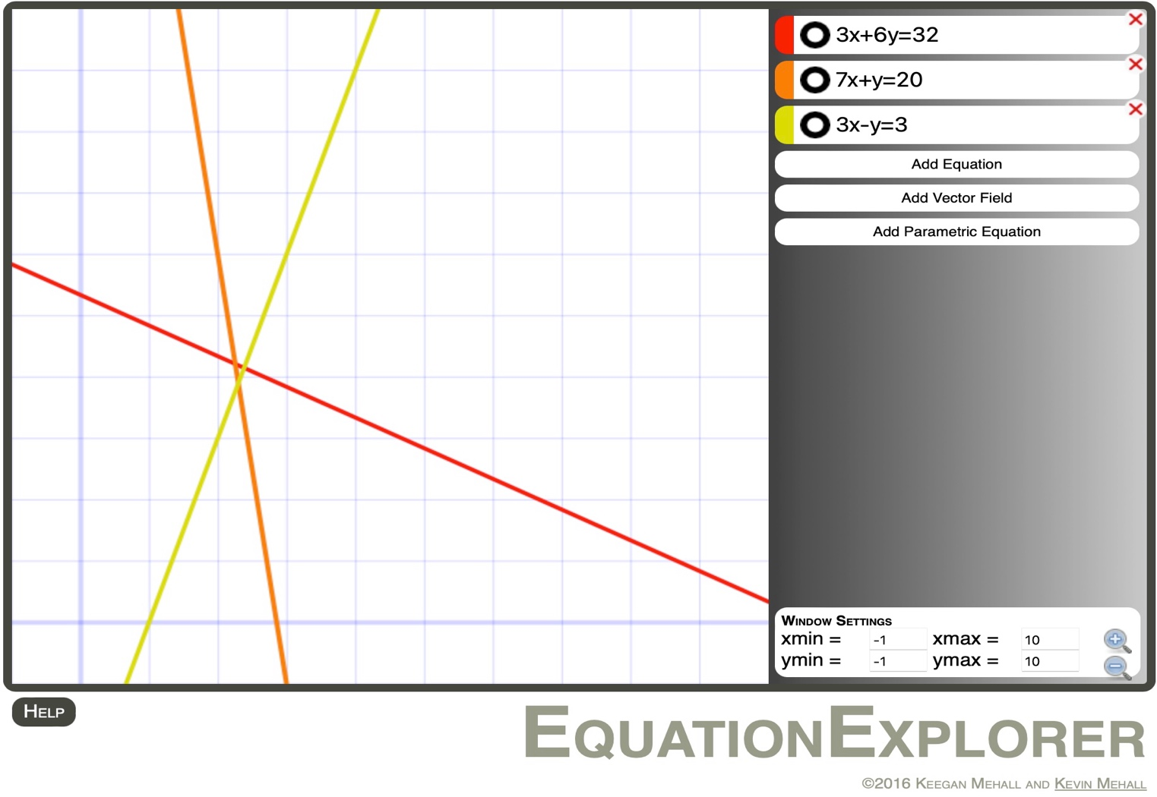
 |  |  |  |  |  |  | Max Subproblems 5000, Max Integer Sols 5000, Integer Tolerance 1%, Solve Without Integer Constraints, Assume NonNegative

 |  |  |  |  |  | Objective Cell (Max)
 |  |  |  |  |  |  | Cell | Name | Original Value | Final Value
 |  |  |  |  |  |  | $D$5 |  | 8.5 | 8.5

 |  |  |  |  |  | Variable Cells
 |  |  |  |  |  |  | Cell | Name | Original Value | Final Value | Integer
 |  |  |  |  |  |  | $B$5 | variable x | 2.3 | 2.3 | Contin
 |  |  |  |  |  |  | $C$5 | variable y | 3.9 | 3.9 | Contin

 |  |  |  |  |  | Constraints
 |  |  |  |  |  |  | Cell | Name | Cell Value | Formula | Status | Slack
 |  |  |  |  |  |  | $B$8 | 3x+6y variable x | 3 | $B$8<=$F$8 | Not Binding | 29
 |  |  |  |  |  |  | $C$8 | 3x+6y variable y | 6 | $C$8<=$F$8 | Not Binding | 26
 |  |  |  |  |  |  | $D$10 | 3x-y | 3 | $D$10>=$F$10 | Binding | 0
 |  |  |  |  |  |  | $D$8 | 3x+6y | 30.3 | $D$8<=$F$8 | Not Binding | 1.7
 |  |  |  |  |  |  | $D$9 | 7x+y | 20 | $D$9<=$F$9 | Binding | 0

